Sheet2
 |  | PRODUCT BACKLOG
ID | STORY | PRIORITY | TIME ESTIMATION(h) | STATUS
1 | Create project and set up environment | 1 | 5 | Finished
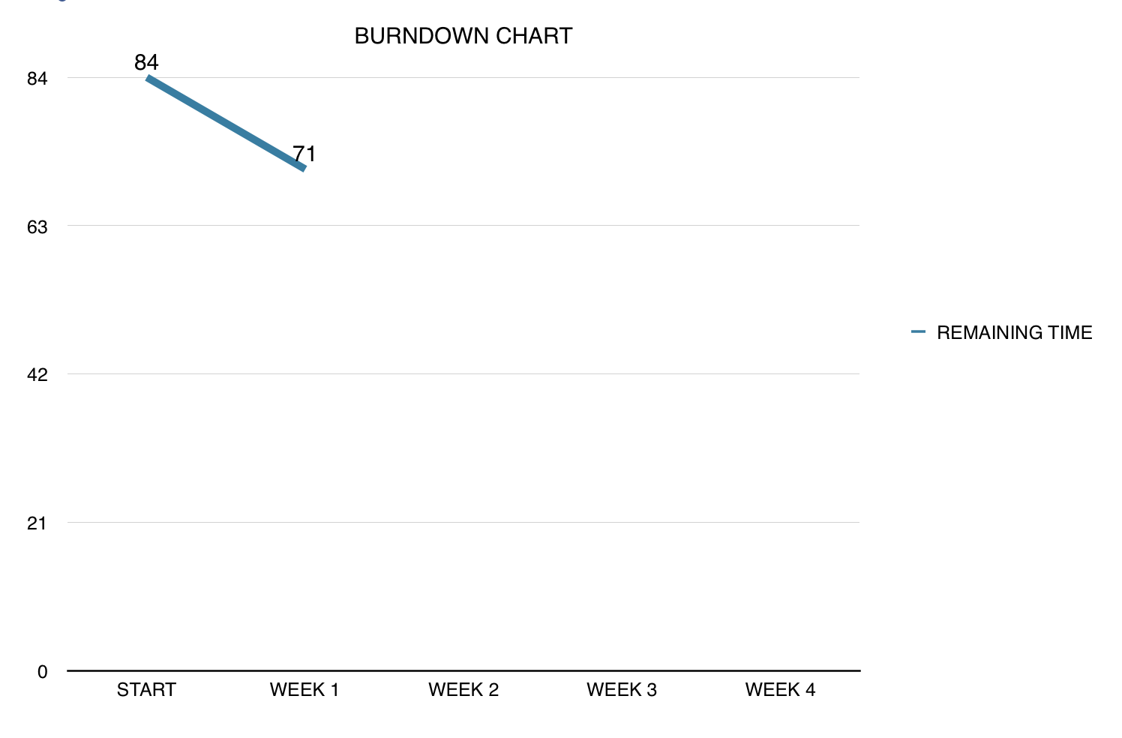
2 | Create main player | 2 | 8 | Finished
3 | Movement mechanics | 3 | 5 | Finished
4 | Create monster | 4 | 9 | Not started
5 | Monster movement mechanics | 5 | 8 | Not started
6 | Create weapons | 6 | 8 | Not started
7 | Handle shooting | 7 | 5 | Not started
8 | Handle collusion | 8 | 12 | Not started
9 | Game dynamics | 9 | 12 | Not started
10 | Extra features | 10 | 12 | Not started

 |  | SPRINT BACKLOG
ID | STORY | RESPONSIBLE PERSON | TIME ESTIMATION(h) | COMPLETED (%)
1 | Create project and set up environment | Turushan Aktay | 1 | 100 %
1.1 | Create controls | Turushan Aktay | 0.5 | 100 %
2 | Create Main Player | Begüm Tokuyucu | 1 | 100 %
2.1 | Create Healt Bar | Begüm Tokuyucu | 1 | 100 %
2.2 | Create Start screen | Pamir Çevikoğulları | 1 | 100 %
2.3 | Create game class | Oğuz Gelal | 0.5 | 100 %
2.4 | Create level complete screen | Oğuz Gelal | 1 | 100 %
2.5 | Create death screen | Oğuz Gelal | 0.5 | 100 %
2.6 | Create restart function | Oğuz Gelal | 0.5 | 100 %
2.7 | Create play option | Pamir Çevikoğulları | 1 | 101 %
2.8 | Create creature class | Begüm Tokuyucu | 0.5 | 100 %
2.9 | Create monsters | Begüm Tokuyucu | 0.5 | 100 %
3 | Create shooter class | Elvin Ege Şenoymak | 1 | 100 %
3.1 | Create and handle shooter weapon | Elvin Ege Şenoymak | 2 | 100 %
3.2 | Handle shooter movement mechanics | Elvin Ege Şenoymak | 1 | 100 %
3.3 | Shooter class methods | Elvin Ege Şenoymak | 0.5 | 100 %

Sheet3
 |  | PRODUCT BACKLOG
ID | STORY | PRIORITY | TIME ESTIMATION(h) | STATUS
1 | Create project and set up environment | 1 | 5 | Finished
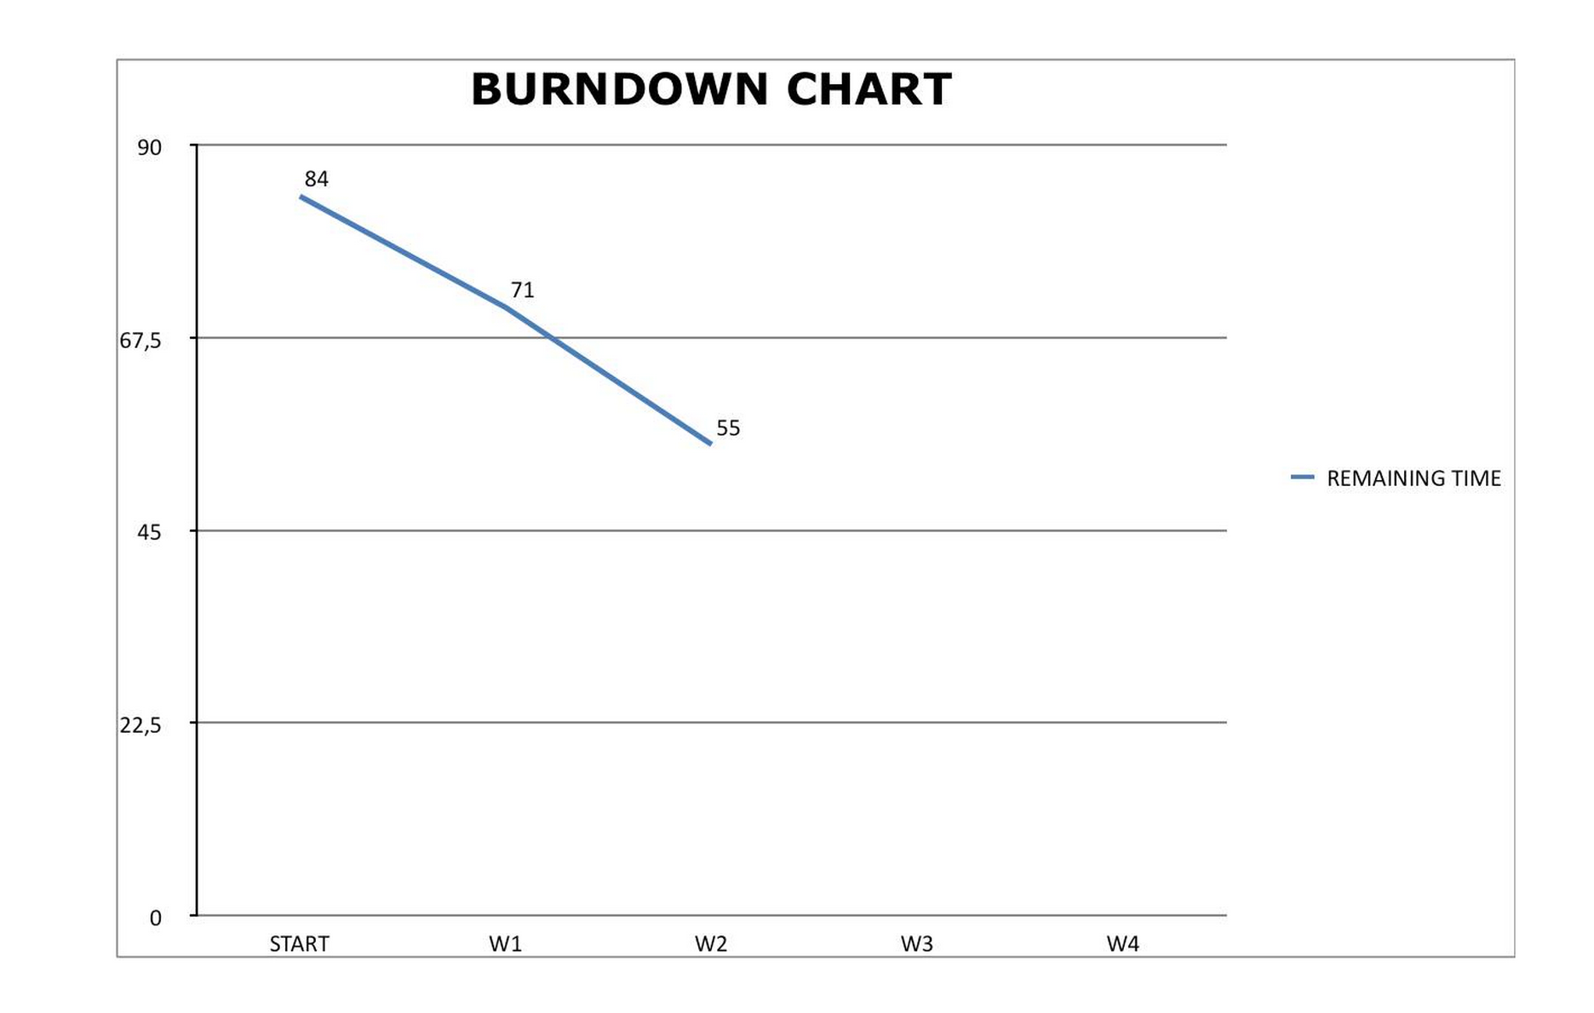
2 | Create main player | 2 | 8 | Finished
3 | Movement mechanics | 3 | 5 | Finished
4 | Create monsters | 4 | 9 | Finished
5 | Monster movement mechanics | 5 | 8 | Finished
6 | Create weapons | 6 | 8 | Not started
7 | Handle shooting | 7 | 5 | Not started
8 | Handle collusion | 8 | 12 | Not started
9 | Game dynamics | 9 | 12 | Not started
10 | Extra features | 10 | 12 | Not started

 |  | SPRINT BACKLOG
ID | STORY | RESPONSIBLE PERSON | TIME ESTIMATION(h)
4 | Create monsters |  |  | Finished
4.0.1 | Improve creature class | Begüm Tokuyucu | 1 | Finished
4.0.2 | Create monster class | Begüm Tokuyucu | 1 | Finished
4.0.3 | Monster class constructor | Begüm Tokuyucu | 0.5 | Finished
4.0.4 | Create monster type 0 | Pamir Çevikoğulları | 0.25 | Finished
4.0.5 | Create monster type 1 | Pamir Çevikoğulları | 0.25 | Finished
4.0.6 | Create monster type 2 | Pamir Çevikoğulları | 0.25 | Finished
4.0.7 | Create monster type 3 | Turushan Aktay | 0.25 | Finished
4.0.8 | Create monster type 4 | Turushan Aktay | 0.25 | Finished
4.0.9 | Create monster type 5 | Turushan Aktay | 0.25 | Finished
4.1 | Calculate direction angle | Oğuz Gelal | 2 | Finished
4.1.1 | Draw arms | Oğuz Gelal | 0.5 | Finished
4.1.2 | Draw monster | Oğuz Gelal | 0.5 | Finished
4.2 | Play game | Pamir Çevikoğulları | 1 | Finished
4.2.1 | Add monsters | Begüm Tokuyucu | 0.25 | Finished
4.2.2 | Remove monsters | Begüm Tokuyucu | 0.25 | Finished
4.2.3 | Play with monsters | Oğuz Gelal | 1 | Finished
4.2.4 | Check alive or not for monsters | Turushan Aktay | 0.5 | Finished
4.2.5 | Some improvements | Oğuz Gelal | 1 | Finished
5 | Monster movement mechanics |  |  | Finished
5.1 | Calculate monsters moving angle | Elvin Ege Şenoymak | 2 | Finished
5.2 | Walk monster method | Elvin Ege Şenoymak | 1.5 | Finished
5.3 | Play monster method | Elvin Ege Şenoymak | 1.5 | Finished
 |  |  | 16

Sheet4
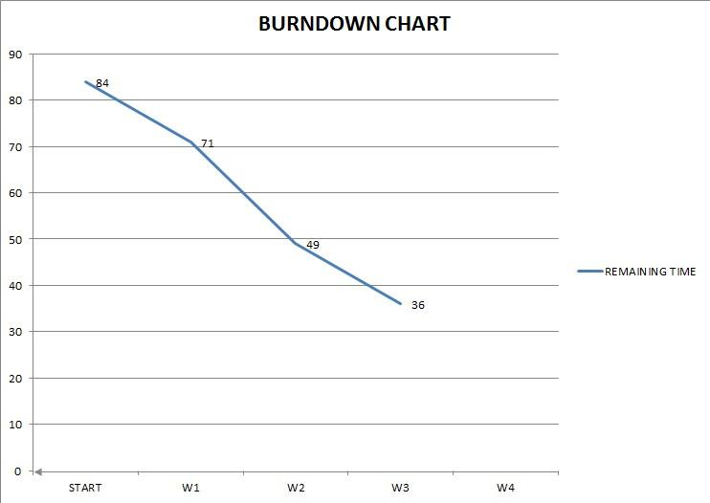
 |  | PRODUCT BACKLOG
ID | STORY | PRIORITY | TIME ESTIMATION(h) | STATUS
1 | Create project and set up environment | 1 | 5 | Finished
2 | Create main player | 2 | 8 | Finished
3 | Movement mechanics | 3 | 5 | Finished
4 | Create monsters | 4 | 9 | Finished
5 | Monster movement mechanics | 5 | 8 | Finished
6 | Create weapons | 6 | 8 | Finished
7 | Handle shooting | 7 | 5 | Finished
8 | Handle collusion | 8 | 12 | Not started
9 | Game dynamics | 9 | 12 | Not started
10 | Extra features | 10 | 12 | Not started

 |  | SPRINT BACKLOG
ID | STORY | RESPONSIBLE PERSON | TIME ESTIMATION(h) | COMPLETED (%)
6 | Create weapons |  | 8 | 100 %
6.01 | Create bullet class | Elvin Şenoymak | 0.5 | 100 %
6.02 | Create bullet constructor | Elvin Şenoymak | 0.25 | 100 %
6.03 | Create bullet methods | Elvin Şenoymak | 1 | 100 %
6.04 | Create boom | Oğuz Gelal | 0.5 | 100 %
6.05 | Create boom constructor | Oğuz Gelal | 0.25 | 100 %
6.06 | Added boom play() method | Oğuz Gelal | 1 | 100 %
6.07 | Create handgun | Pamir Çevikoğulları | 0.25 | 100 %
6.08 | Create handgun properties | Pamir Çevikoğulları | 0.25 | 100 %
6.09 | Create handgun methods | Pamir Çevikoğulları | 0.75 | 100 %
6.1 | Create bazooka | Begüm Tokuyucu | 0.5 | 100 %
6.11 | Create bazooka properties | Begüm Tokuyucu | 0.5 | 100 %
6.12 | Create bazooka methods | Begüm Tokuyucu | 0.75 | 100 %
6.13 | Create machine gun | Turushan Aktay | 0.25 | 100 %
6.14 | Create machine gun properties | Turushan Aktay | 0.5 | 100 %
6.15 | Create machine gun methods | Turushan Aktay | 0.75 | 100 %
7 | Handle Shooting |  | 5 | 100 %
7.01 | Add fire() method to shooter | Oğuz Gelal | 1 | 100 %
7.02 | Add shootBullets() method to shooter | Elvin Şenoymak | 1 | 100 %
7.03 | Enhance play() method of shooter | Turushan Aktay | 1 | 100 %
7.04 | Added removeBullets() method to game | Pamir Çevikoğulları | 1 | 100 %
7.05 | Added controlBooms() method to game | Begüm Tokuyucu | 1 | 100 %

Sheet5
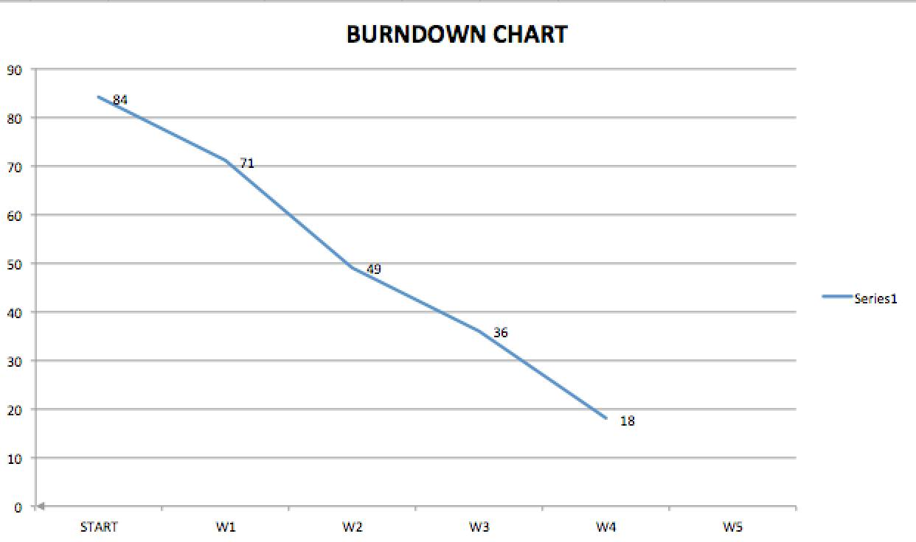
 |  | PRODUCT BACKLOG
ID | STORY | PRIORITY | TIME ESTIMATION(h) | STATUS
1 | Create project and set up environment | 1 | 5 | Finished
2 | Create main player | 2 | 8 | Finished
3 | Movement mechanics | 3 | 5 | Finished
4 | Create monsters | 4 | 9 | Finished
5 | Monster movement mechanics | 5 | 8 | Finished
6 | Create weapons | 6 | 8 | Finished
7 | Handle shooting | 7 | 5 | Finished
8 | Handle collusion | 8 | 12 | Finished
9 | Game dynamics | 9 | 6 | Finished
10 | Extra features | 10 | 12 | Not started

 |  | SPRINT BACKLOG
ID | STORY | RESPONSIBLE PERSON | TIME ESTIMATION(h) | COMPLETED (%)
8 | Handle Collisions |  | 12 | 100%
 | Monster - monster collusion | Oğuz Gelal | 2 | 100%
 | monstersCollided method | Oğuz Gelal | 1 | 100%
 | Monster - bullet collusion | Elvin Şenoymak | 3 | 100%
 | Monster - shooter collusion | Pamir Çevikoğulları | 3 | 100%
 | Check effect zone method | Elvin Şenoymak | 2 | 100%
 | Handle booms | Begüm Tokuyucu | 1 | 100%
9 | Game dynamics |  | 6 | 50%
 | Added scoreboard to game class | Begüm Tokuyucu | 2 | 100%
 | Level system | Turushan Aktay | 4 | 100%

Sheet6
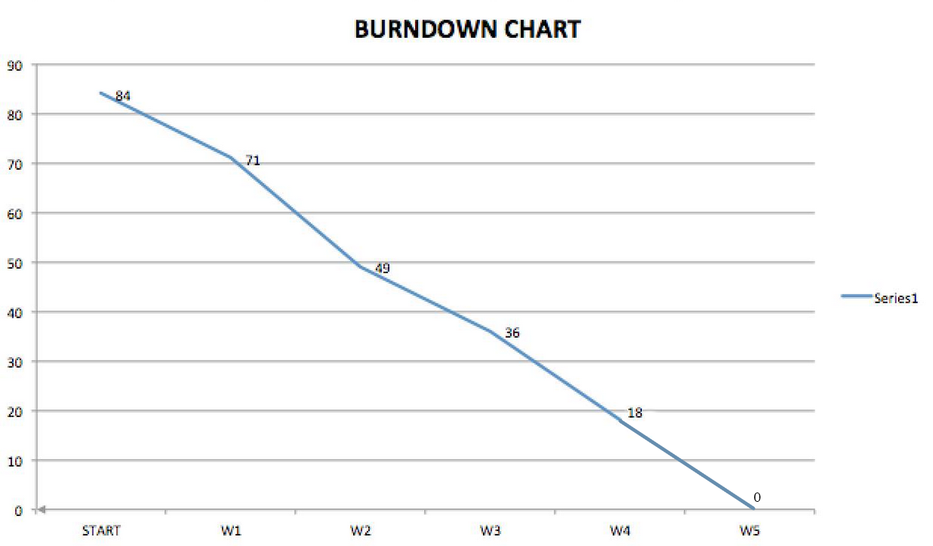
 |  | PRODUCT BACKLOG
ID | STORY | PRIORITY | TIME ESTIMATION(h) | STATUS
1 | Create project and set up environment | 1 | 5 | Finished
2 | Create main player | 2 | 8 | Finished
3 | Movement mechanics | 3 | 5 | Finished
4 | Create monsters | 4 | 9 | Finished
5 | Monster movement mechanics | 5 | 8 | Finished
6 | Create weapons | 6 | 8 | Finished
7 | Handle shooting | 7 | 5 | Finished
8 | Handle collusion | 8 | 12 | Finished
9 | Game dynamics | 9 | 6 | Finished
10 | Extra features | 10 | 12 | Finished

 |  | SPRINT BACKLOG
ID | STORY | RESPONSIBLE PERSON | TIME ESTIMATION(h) | COMPLETED (%)
10 | Extra Features |  | 12 | 100%
10.1 | Finalize test cases | Oğuz Geal | 2 | 100%
10.2 | Enhanced slowMod() method at game class | Elvin Şenoymak | 2 | 100%
10.3 | Added slowModStart() method | Begüm Tokuyucu | 2 | 100%
10.4 | Added slowModEnd() method | Turushan Aktay | 2 | 100%
10.5 | Enhanced scoreboard | Pamir Çevikoğulları | 1 | 100%
10.6 | Control of monsters according to level * | Pamir Çevikoğulları | 1 | 100%
10.7 | Setting up gameplay factors ** | Oğuz Gelal | 1 | 100%
10.8 | Weapon change according to level *** | Elvin Şenoymak | 1 | 100%

 | * Strong monsters wont come at first levels, monsters will get stronger as level increases
 | ** Set up some variables to make the game more playable
 | *** As you get to higher levels, your weapon gets upgraded

